Sheet1

NCAA T-shirt Vendor

Given :
Cost :
Fixed : | $750.00
Variable : | $8.00 | per T-shirt

Revenue :
full price : | $18.00 | per T-shirt
reduced price : | $6.00 | per T-shirt

Number of T-shird Ordered : | 1450
Demand | 1200
Number of T-shird Sold (FP) : | 1200 | =MIN(B12;B13)
Number of T-shird Sold (Reduced) : | 250 | =MAX(B12-B13;0)

Total cost : | $12,350.00 | =B5+B12*B6
Total Revenue : | $23,100.00 | =B14*B9+B15*B10
Total Profit : | $10,750.00 | =B18-B17

Haute Dog

Sales :
Days open | 6 | days per week | if I want to determine break-even point in this case. I will use goal seek by change daily sales hot dogs
Daily Sales | 50 | hot dogs per day
 |  |  | break-even point | 24
Cost :
Start-up Cost | $500
transformation cost | $200 | per week
Variable Cost | $0.50 | per hot dog
Total weekly cost | $850.00

Revenue :
Price | $4.00 | per hot dog
Total weekly revenue | $1,200.00

weekly profit : | $350.00

Sheet2
Woodworks Bookshelf Co.
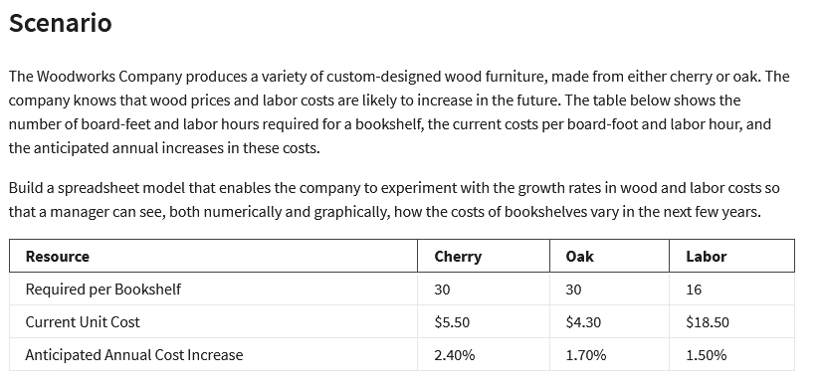
Cost : | Cherry | Oak
Unit Cost : | $5.50 | $4.30
Number of Bookshelf: | 30 | 30
Material Cost : | $165.00 | $129.00

Labor Requared : | 16 | 16
Labor rate : | $18.50 | $18.50
Labor Cost : | $296.00 | $296.00

Total Cost : | $461.00 | $425.00

Cost Increase : | 2.40% | 1.70% | 1.50%

Woodworks Bookshelf Co. Cost Projection
 | Cherry | Oak | Labor | Cherry + Labor | Oak + Labor
0 | 165 | 129 | 296 | 461 | 425
1 | 168.96 | 131.193 | 300.44 | 469.4 | 431.633
2 | 173.01504 | 134.341632 | 307.65056 | 480.6656 | 441.992192
3 | 177.16740096 | 137.56583117 | 315.03417344 | 492.2015744 | 452.60000461
4 | 181.41941858 | 140.86741112 | 322.5949936 | 504.01441219 | 463.46240472
5 | 185.77348463 | 144.24822898 | 330.33727345 | 516.11075808 | 474.58550243
Woodworks Bookshelf Co. Cost Projection
 | Cherry | Oak | Labor | Cherry + Labor | Oak + Labor
0 | 165 | 129 | 296 | 461 | 425
1 | 168.96 | 131.193 | 300.44 | 469.4 | 431.633
2 | 173.01504 | 134.341632 | 307.65056 | 480.6656 | 441.992192
3 | 177.16740096 | 137.56583117 | 315.03417344 | 492.2015744 | 452.60000461
4 | 181.41941858 | 140.86741112 | 322.5949936 | 504.01441219 | 463.46240472
5 | 185.77348463 | 144.24822898 | 330.33727345 | 516.11075808 | 474.58550243
Year | Cherry | Oak | Labor | Cherry + Labor | Oak + Labor
0 | $165.00 | $129.00 | $296.00 | $461.00 | $425.00
1 | $168.96 | $131.19 | $300.44 | $469.40 | $431.63
2 | $173.02 | $134.34 | $307.65 | $480.67 | $441.99
3 | $177.17 | $137.57 | $315.03 | $492.20 | $452.60
4 | $181.42 | $140.87 | $322.59 | $504.01 | $463.46
5 | $185.77 | $144.25 | $330.34 | $516.11 | $474.59

Goal Seek
Quality Sweater Company
Quality Sweater Company: Respones Rate vs Profit
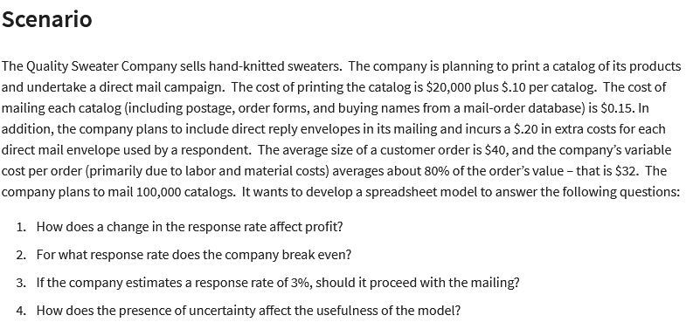
Input: |  |  | a) Data Table
Cost : |  |  | Response rate : | Total Profit
Printing: | $20,000.00 |  |  | $-17,700.00
Variable : |  |  | 3% | $-21,600.00
Printing: | $0.10 | per catalog | 3.50% | $-17,700.00
Mailing: | $0.15 | per catalog | 4% | $-13,800.00
reply envelopers : | $0.20 | per order | 4.50% | $-9,900.00
labor & materials : | $32.00 | per order | 5% | $-6,000.00
Total Cost : | $157,700.00 |  | 5.50% | $-2,100.00
 |  |  | 6% | $1,800.00
Catalog Ordered : | 100000 |  | 6.50% | $5,700.00
Response rate : | 3.5% | dump value | 7% | $9,600.00
Total Orders : | 3500 | =B14*B13 | 7.50% | $13,500.00
 |  |  | 8% | $17,400.00 | b) break even = 0 profit
Revenue : |  |  | 8.50% | $21,300.00 | the profit company has value 0 when the responses rate is 5,76923076923077% | ( tool : data - what-if analysis - goal seek )
Avarage Consumer Order : | $40.00 |  | 9% | $25,200.00
Total Revenue : | $140,000.00 |  | 9.50% | $29,100.00 | c) No, because company don't get plus profit when they procedd campaign with mailing
Total Profit : | $-17,700.00 | =B19-B11 | 10% | $33,000.00
 |  |  | 10.50% | $36,900.00 | d) its relate to the number you pick in the respones rate. If you look to the graph company about respones vs profit,
 |  |  | 11% | $40,800.00 | it's diveded two that responses rate< 6 % produce negative profit value. Otherwise respones rate > 6 % produce positive profit.
 |  |  | 11.50% | $44,700.00
 |  |  | 12% | $48,600.00
 |  |  | 12.50% | $52,500.00
 |  |  | 13% | $56,400.00
 |  |  | 13.50% | $52,500.00
 |  |  | 14% | $56,400.00
 |  |  | 14.50% | $52,500.00

What if analysis Quis
Screamin' Blue Jays Tour

Number of Concerts
concert per week: | 5
week on tour | 30
Total concerts: | 150 | =B4*B5

Expected Concert Attendance
Maximum capacity: | 800
Attendance: | 80%
Number of tickets sold: | 640 | =B9*B10

cost |  |  | 34.418 | week | or 35 week
fixed start-up cost: | $5,500,000.00
Venue rental cost: | $1,000.00 | per show
Total cost: | $5,650,000.00 | =B14+B6*B15

Revenue |  |  | attendance | profit
Ticket price: | $50.00 | per persoon |  | $-706,000.00
Concession sales : | $1.50 | per persoon | 80% | $-706,000.00
Total revenue: | $4,944,000.00 | =B6*B11*(B19+B20) | 85% | $-397,000.00
 |  |  | 90% | $-88,000.00
Profit: | $-706,000.00
 |  |  | no 1 |  |  | no 2
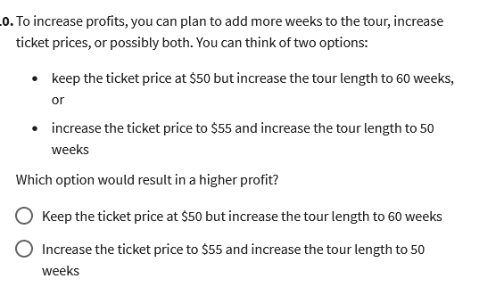
 |  |  |  |  |  | Week on tour
 |  |  | week on tour | profit |  | Ticket Price | $-706,000.00 | 30 | 40 | 50 | 60
 |  |  |  | $-706,000.00 |  |  | $50 | $-706,000.00 | $892,000.00 | $2,490,000.00 | $4,088,000.00
 |  |  | 30 | $-706,000.00 |  |  | $51 | $-610,000.00 | $1,020,000.00 | $2,650,000.00 | $4,280,000.00
 |  |  | 40 | $892,000.00 |  |  | $52 | $-514,000.00 | $1,148,000.00 | $2,810,000.00 | $4,472,000.00
 |  |  | 50 | $2,490,000.00 |  |  | $53 | $-418,000.00 | $1,276,000.00 | $2,970,000.00 | $4,664,000.00
 |  |  | 60 | $4,088,000.00 |  |  | $54 | $-322,000.00 | $1,404,000.00 | $3,130,000.00 | $4,856,000.00
 |  |  |  |  |  |  | $55 | $-226,000.00 | $1,532,000.00 | $3,290,000.00 | $5,048,000.00
 |  |  | the best option to get more profit is no 1 option.

Regression
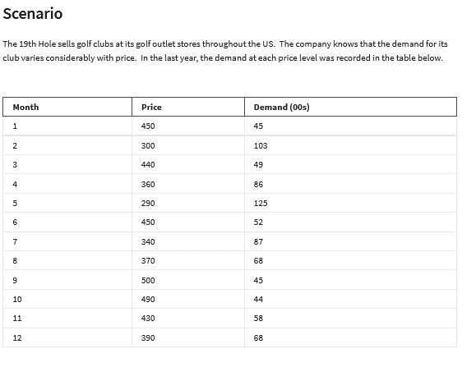
Month | Price | Demand (00s)
1 | 450 | 45
2 | 300 | 103
3 | 440 | 49
4 | 360 | 86
5 | 290 | 125
6 | 450 | 52
7 | 340 | 87
8 | 370 | 68
9 | 500 | 45
10 | 490 | 44
11 | 430 | 58
12 | 390 | 68

prediction function

Linear : y = mx+b |  | Power : y =ax^b |  | Eksponential : y = ae^(bx)
intercept(b) : | 211.31 | constant a: | 5871064 | constant a: | 465.51
slope(m): | -0.3546 | exponent b: | -2 | eksponent b: | -0.005

Price | Demand Prediction |  |  | Demand(00s) Actual | Absulute Error (percent)
 | Linear | Power | Eksponential |  | Linear | Power | Eksponential
450 | 51.74 | 50.86128617 | 49.064393026 | 45 | 15% | 13% | 9%
300 | 104.93 | 110.24768037 | 103.86932085 | 103 | 2% | 7% | 1%
440 | 55.286 | 53.089557788 | 51.579978249 | 49 | 13% | 8% | 5%
360 | 83.654 | 77.855920386 | 76.948285456 | 86 | 3% | 9% | 11%
290 | 108.476 | 117.61465382 | 109.19481481 | 125 | 13% | 6% | 13%
450 | 51.74 | 50.86128617 | 49.064393026 | 52 | 1% | 2% | 6%
340 | 90.746 | 86.827049007 | 85.041007282 | 87 | 4% | 0% | 2%
370 | 80.108 | 73.890384264 | 73.195473291 | 68 | 18% | 9% | 8%
500 | 34.01 | 41.59891912 | 38.211387709 | 45 | 24% | 8% | 15%
490 | 37.556 | 43.233728797 | 40.170527451 | 44 | 15% | 2% | 9%
430 | 58.832 | 55.470106712 | 54.224540285 | 58 | 1% | 4% | 7%
390 | 73.016 | 66.829089531 | 66.230003064 | 68 | 7% | 2% | 3%

 |  |  |  | average | 10% | 6% | 7% | <- power model

Bussines Model of Th19 Hole Sells golf club
 |  |  |  |  |  |  | no 1
unit cost : | $250.00 | per set of club
Sale price : | $400.00 | <- multiple 10 |  |  |  |  | price | profit | 1) sell at a price $ 530 for profit $ 1.042.213
Sale price vs Profit with power model
Demand (00s) | 64 | from power model |  | =D19*B42^D20 |  |  |  | $955,163.26
Demand actual | 6367.7550826 |  |  | =B43*100 |  |  | $260.00 | $144,860
 |  |  |  |  |  |  | $270.00 | $269,591
cost : | $1,591,938.77 |  |  | =B44*B41 |  |  | $280.00 | $377,277
Revenue: | $2,547,102.03 |  |  | =B44*B42 |  |  | $290.00 | $470,459
 |  |  |  |  |  |  | $300.00 | $551,238
Profit : | $955,163.26 |  |  | =B47-B46 |  |  | $310.00 | $621,370
 |  |  |  |  |  |  | $320.00 | $682,321
 |  |  |  |  |  |  | $330.00 | $735,330
no 2 more incraese sale price at more cost unit, make the profit decrease |  |  |  |  |  |  | $340.00 | $781,443
 |  | Cost Unit |  |  |  |  | $350.00 | $821,552
 | $955,163.26 | $250.00 | $300.00 | $350.00 | $400.00 |  | $360.00 | $856,415
 | $260.00 | $144,860 | $-579,439 | $-1,303,738 | $-2,028,036 |  | $370.00 | $886,685
 | $270.00 | $269,591 | $-404,386 | $-1,078,362 | $-1,752,339 |  | $380.00 | $912,921
 | $280.00 | $377,277 | $-251,518 | $-880,313 | $-1,509,109 |  | $390.00 | $935,607
 | $290.00 | $470,459 | $-117,615 | $-705,688 | $-1,293,761 |  | $400.00 | $955,163 | no 3
 | $300.00 | $551,238 | $- | $-551,238 | $-1,102,477 |  | $410.00 | $971,953
 | $310.00 | $621,370 | $103,562 | $-414,246 | $-932,054 |  | $420.00 | $986,293 | yes, this model is accurate to give us information about
 | $320.00 | $682,321 | $194,949 | $-292,423 | $-779,795 |  | $430.00 | $998,462 | how to estimate the relationship between price and demand.
 | $330.00 | $735,330 | $275,749 | $-183,832 | $-643,414 |  | $440.00 | $1,008,702 | The best model is power model because it has error more minumum that other model.
 | $340.00 | $781,443 | $347,308 | $-86,827 | $-520,962 |  | $450.00 | $1,017,226 | Based on the power model, we get to find the optimal price that give maximum profit.
 | $350.00 | $821,552 | $410,776 | $- | $-410,776 |  | $460.00 | $1,024,222 | also, this model can inform us how optimal price depend on the unit cost.
 | $360.00 | $856,415 | $467,136 | $77,856 | $-311,424 |  | $470.00 | $1,029,857 | consider that price optimal $530 at the unit cost $ 250, it give profit $1.4042.213
 | $370.00 | $886,685 | $517,233 | $147,781 | $-221,671 |  | $480.00 | $1,034,276 | but, his price optimal a bit difference when the unit cost $ 300. | so we can conclusion that sale price and unit cost
 | $380.00 | $912,921 | $561,797 | $210,674 | $-140,449 |  | $490.00 | $1,037,609 | have influence the profit.
 | $390.00 | $935,607 | $601,462 | $267,316 | $-66,829 |  | $500.00 | $1,039,973
 | $400.00 | $955,163 | $636,776 | $318,388 | $- |  | $510.00 | $1,041,469
 | $410.00 | $971,953 | $668,218 | $364,482 | $60,747 |  | $520.00 | $1,042,188
 | $420.00 | $986,293 | $696,207 | $406,121 | $116,035 |  | $530.00 | $1,042,213
 | $430.00 | $998,462 | $721,111 | $443,761 | $166,410 |  | $540.00 | $1,041,616
 | $440.00 | $1,008,702 | $743,254 | $477,806 | $212,358 |  | $550.00 | $1,040,462
 | $450.00 | $1,017,226 | $762,919 | $508,613 | $254,306 |  | $560.00 | $1,038,809
 | $460.00 | $1,024,222 | $780,360 | $536,497 | $292,635 |  | $570.00 | $1,036,711
 | $470.00 | $1,029,857 | $795,798 | $561,740 | $327,682 |  | $580.00 | $1,034,213
 | $480.00 | $1,034,276 | $809,433 | $584,591 | $359,748 |  | $590.00 | $1,031,360
 | $490.00 | $1,037,609 | $821,441 | $605,272 | $389,104 |  | $600.00 | $1,028,187
 | $500.00 | $1,039,973 | $831,978 | $623,984 | $415,989 |  | $610.00 | $1,024,731
 | $510.00 | $1,041,469 | $841,186 | $640,904 | $440,621 |  | $620.00 | $1,021,022
 | $520.00 | $1,042,188 | $849,190 | $656,193 | $463,195 |  | $630.00 | $1,017,088
 | $530.00 | $1,042,213 | $856,104 | $669,994 | $483,885 |  | $640.00 | $1,012,955
 | $540.00 | $1,041,616 | $862,027 | $682,438 | $502,849 |  | $650.00 | $1,008,644
 | $550.00 | $1,040,462 | $867,051 | $693,641 | $520,231 |  | $660.00 | $1,004,178
 | $560.00 | $1,038,809 | $871,259 | $703,709 | $536,160 |  | $670.00 | $999,575
 | $570.00 | $1,036,711 | $874,725 | $712,739 | $550,753 |  | $680.00 | $994,852
 | $580.00 | $1,034,213 | $877,514 | $720,815 | $564,116 |  | $690.00 | $990,023
 | $590.00 | $1,031,360 | $879,689 | $728,019 | $576,348 |  | $700.00 | $985,104
 | $600.00 | $1,028,187 | $881,303 | $734,420 | $587,536 |  | $710.00 | $980,108
 | $610.00 | $1,024,731 | $882,407 | $740,084 | $597,760 |  | $720.00 | $975,044
 | $620.00 | $1,021,022 | $883,046 | $745,070 | $607,094 |  | $730.00 | $969,925
 | $630.00 | $1,017,088 | $883,261 | $749,433 | $615,606 |  | $740.00 | $964,759
 | $640.00 | $1,012,955 | $883,089 | $753,223 | $623,357 |  | $750.00 | $959,555
 | $650.00 | $1,008,644 | $882,564 | $756,483 | $630,403 |  | $760.00 | $954,321
 | $660.00 | $1,004,178 | $881,718 | $759,257 | $636,796 |  | $770.00 | $949,065
 | $670.00 | $999,575 | $880,578 | $761,581 | $642,584 |  | $780.00 | $943,792
 | $680.00 | $994,852 | $879,171 | $763,491 | $647,810 |  | $790.00 | $938,508
 | $690.00 | $990,023 | $877,521 | $765,018 | $652,515 |  | $800.00 | $933,220
 | $700.00 | $985,104 | $875,648 | $766,192 | $656,736 |  | $810.00 | $927,930
 | $710.00 | $980,108 | $873,574 | $767,041 | $660,507 |  | $820.00 | $922,645
 | $720.00 | $975,044 | $871,316 | $767,588 | $663,860 |  | $830.00 | $917,368
 | $730.00 | $969,925 | $868,891 | $767,857 | $666,823 |  | $840.00 | $912,103
 | $740.00 | $964,759 | $866,314 | $767,869 | $669,425 |  | $850.00 | $906,853
 | $750.00 | $959,555 | $863,600 | $767,644 | $671,689 |  | $860.00 | $901,620
 | $760.00 | $954,321 | $860,760 | $767,200 | $673,639 |  | $870.00 | $896,408
 | $770.00 | $949,065 | $857,809 | $766,552 | $675,296 |  | $880.00 | $891,219
 | $780.00 | $943,792 | $854,755 | $765,718 | $676,681 |  | $890.00 | $886,055
 | $790.00 | $938,508 | $851,609 | $764,710 | $677,811 |  | $900.00 | $880,918
 | $800.00 | $933,220 | $848,381 | $763,543 | $678,705 |  | $910.00 | $875,810
 | $810.00 | $927,930 | $845,080 | $762,229 | $679,378 |  | $920.00 | $870,732
 | $820.00 | $922,645 | $841,712 | $760,778 | $679,844 |  | $930.00 | $865,686
 | $830.00 | $917,368 | $838,285 | $759,201 | $680,118 |  | $940.00 | $860,673
 | $840.00 | $912,103 | $834,806 | $757,509 | $680,213 |  | $950.00 | $855,693
 | $850.00 | $906,853 | $831,282 | $755,711 | $680,140 |  | $960.00 | $850,749
 | $860.00 | $901,620 | $827,717 | $753,814 | $679,910 |  | $970.00 | $845,841
 | $870.00 | $896,408 | $824,117 | $751,826 | $679,535 |  | $980.00 | $840,970
 | $880.00 | $891,219 | $820,487 | $749,756 | $679,024 |  | $990.00 | $836,135
 | $890.00 | $886,055 | $816,832 | $747,609 | $678,386 |  | $1,000.00 | $831,339
 | $900.00 | $880,918 | $813,155 | $745,392 | $677,629
 | $910.00 | $875,810 | $809,461 | $743,111 | $676,762
 | $920.00 | $870,732 | $805,752 | $740,772 | $675,792
 | $930.00 | $865,686 | $802,032 | $738,379 | $674,726
 | $940.00 | $860,673 | $798,305 | $735,937 | $673,570
 | $950.00 | $855,693 | $794,573 | $733,452 | $672,331
 | $960.00 | $850,749 | $790,837 | $730,926 | $671,014
 | $970.00 | $845,841 | $787,102 | $728,363 | $669,624
 | $980.00 | $840,970 | $783,369 | $725,768 | $668,168
 | $990.00 | $836,135 | $779,640 | $723,144 | $666,648
 | $1,000.00 | $831,339 | $775,916 | $720,494 | $665,071

 | Maximum | $1,042,213 | $883,261 | $767,869 | $680,213

Assigment

Prediction's Fuction for 5 years |  |  |  |  | Year | Revenue (millions of USD)
Power : y =ax^b |  | Eksponential : y = ae^(bx) |  |  | 2017 | 218.6
constant a: | 170.97 | constant a: | 103.59 |  | 2018 | 435.0
exponent b: | 1.75 | eksponent b: | 0.72590 |  | 2019 | 915.0
 |  |  |  |  | 2020 | 1825.9
Prediction's Fuction for 6 years |  |  |  |  | 2021 | 4021.8
Power : y =ax^b |  | Eksponential : y = ae^(bx) |  |  | 2022 | 3582.1
Revenue (millions of USD) for 5 year
constant a: | 173.94 | constant a: | 135.8
exponent b: | 1.7209 | eksponent b: | 0.60990

Year | Revenue (millions of USD) | Forecasts |  | Absolute Percent Error
 |  | Eksponential | Power | Eksponential | Powert
1 | 218.6 | 214.07807824 | 170.97 | 2% | 22%
2 | 435.0 | 442.41165733 | 575.51087834 | 2% | 32%
3 | 915.0 | 914.28359294 | 1170.5957441 | 0% | 28%
4 | 1825.9 | 1889.4495081 | 1937.2566596 | 3% | 6%
5 | 4021.8 | 3904.7178263 | 2863.4281246 | 3% | 29%
 |  | MAPE |  | 2% | 23%
best model : | eksponetial
revenue in 2023 : | 16676 | miliion USD

Revenue (millions of USD) for 6 year
Year | Revenue (millions of USD) | Forecasts |  | Absolute Percent Error
 |  | Eksponential | Power | Eksponential | Power
1 | 218.6 | 249.90559215 | 173.94 | 14% | 20%
2 | 435.0 | 459.88810741 | 573.37926723 | 6% | 32%
3 | 915.0 | 846.30787778 | 1152.0661941 | 8% | 26%
4 | 1825.9 | 1557.4158419 | 1890.0987932 | 15% | 4%
5 | 4021.8 | 2866.0303991 | 2774.9613986 | 29% | 31%
6 | 3582.1 | 5274.2048894 | 3797.6938608 | 47% | 6%
 |  | MAPE |  | 20% | 20%
> there is no best model because MAPE from both of the fit model are so high

NPV
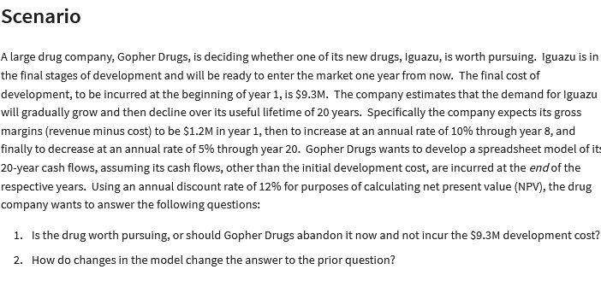
Gopher Drugs

development cost : | 9.3 | million | Cash Flow
lifetime: | 20 | year | End of year | Gross Margin(M)
year 1 margin: | 1.2 | million | 1 | $1.20 | =B5
inc through year: | 8 |  | 2 | $1.32 | =IF(E6<$B$6;F5+$B$7*F5;F5-$B$8*F5)
rate of increase: | 10% |  | 3 | $1.45 | =IF(E7<$B$6;F6+$B$7*F6;F6-$B$8*F6)
rate of decrease: | 5% |  | 4 | $1.60 | =IF(E8<$B$6;F7+$B$7*F7;F7-$B$8*F7)
discount rate: | 12% |  | 5 | $1.76 | =IF(E9<$B$6;F8+$B$7*F8;F8-$B$8*F8)
 |  |  | 6 | $1.93 | =IF(E10<$B$6;F9+$B$7*F9;F9-$B$8*F9)
(Net) Present Value : | $11.85 | =NPV(B9;F5:F24) | 7 | $2.13 | =IF(E11<$B$6;F10+$B$7*F10;F10-$B$8*F10) | answer :
development cost: | $9.30 |  | 8 | $2.02 | =IF(E12<$B$6;F11+$B$7*F11;F11-$B$8*F11)
Net Present Value : | $2.55 | =B11-B12 | 9 | $1.92 | =IF(E13<$B$6;F12+$B$7*F12;F12-$B$8*F12) | 1. the drug worth to pursuing which has positive NPV value. So it is a profitable bussiness.
 |  |  | 10 | $1.82 | =IF(E14<$B$6;F13+$B$7*F13;F13-$B$8*F13) | 2. if inc through year is greater than before, let sat it has change to be 10, the NPV is $4,02
 |  |  | 11 | $1.73 | =IF(E15<$B$6;F14+$B$7*F14;F14-$B$8*F14) | otherwise, if it change to the smaller value let say 6, the NPV is $0,97 m
Assigment |  |  | 12 | $1.64 | =IF(E16<$B$6;F15+$B$7*F15;F15-$B$8*F15)
 |  |  | 13 | $1.56 | =IF(E17<$B$6;F16+$B$7*F16;F16-$B$8*F16)
year | Cash Inflow (end of year) |  | 14 | $1.48 | =IF(E18<$B$6;F17+$B$7*F17;F17-$B$8*F17)
1 | $30,000 |  | 15 | $1.41 | =IF(E19<$B$6;F18+$B$7*F18;F18-$B$8*F18)
2 | $65,000 |  | 16 | $1.34 | =IF(E20<$B$6;F19+$B$7*F19;F19-$B$8*F19)
3 | $80,000 |  | 17 | $1.27 | =IF(E21<$B$6;F20+$B$7*F20;F20-$B$8*F20)
4 | $75,000 |  | 18 | $1.21 | =IF(E22<$B$6;F21+$B$7*F21;F21-$B$8*F21)
5 | $55,000 |  | 19 | $1.15 | =IF(E23<$B$6;F22+$B$7*F22;F22-$B$8*F22)
 |  |  | 20 | $1.09 | =IF(E24<$B$6;F23+$B$7*F23;F23-$B$8*F23)
initial invesment: | $150,000
discount rate: | 15%

(net) present value: | Rp198,063.81 | =NPV(B26;B19:B23)
Net present value: | Rp48,063.81 | =B28-B25

Regression Quis
Year | Average of Seasonally Adjusted Sales |  | Year | Average of Seasonally Adjusted Sales | percent growth | new sales based exponential model | error
1992 | $150,781.17 | Transformasi | 1 | $150,781.17 | 0% | $165,143.67 | 9.53%
1993 | $161,696.25 |  | 2 | $161,696.25 | 7.2% | $172,399.73 | 6.62%
1994 | $175,688.83 |  | 3 | $175,688.83 | 8.7% | $179,974.61 | 2.44%
1995 | $185,437.25 |  | 4 | $185,437.25 | 5.5% | $187,882.32 | 1.32%
1996 | $196,728.17 |  | 5 | $196,728.17 | 6.1% | $196,137.47 | 0.30%
1997 | $206,334.08 |  | 6 | $206,334.08 | 4.9% | $204,755.34 | 0.77%
1998 | $215,657.67 |  | 7 | $215,657.67 | 4.5% | $213,751.86 | 0.88%
1999 | $233,872.00 |  | 8 | $233,872.00 | 8.4% | $223,143.67 | 4.59%
2000 | $248,748.25 |  | 9 | $248,748.25 | 6.4% | $232,948.13 | 6.35%
2001 | $255,663.75 |  | 10 | $255,663.75 | 2.8% | $243,183.38 | 4.88%
2002 | $261,272.42 |  | 11 | $261,272.42 | 2.2% | $253,868.35 | 2.83%
2003 | $272,232.50 |  | 12 | $272,232.50 | 4.2% | $265,022.79 | 2.65%
2004 | $288,987.50 |  | 13 | $288,987.50 | 6.2% | $276,667.33 | 4.26%
2005 | $307,826.08 |  | 14 | $307,826.08 | 6.5% | $288,823.51 | 6.17%
2006 | $323,823.08 |  | 15 | $323,823.08 | 5.2% | $301,513.81 | 6.89%
2007 | $334,008.00 |  | 16 | $334,008.00 | 3.1% | $314,761.69 | 5.76%
2008 | $328,780.33 |  | 17 | $328,780.33 | -1.6% | $328,591.65 | 0.06%
2009 | $303,288.92 |  | 18 | $303,288.92 | -7.8% | $343,029.28 | 13.10%
2010 | $323,964.17 |  | 19 | $323,964.17 | 6.8% | $358,101.26 | 10.54%
2011 | $349,717.75 |  | 20 | $349,717.75 | 7.9% | $373,835.48 | 6.90%

 |  |  |  | Growth Avarage | 4.6% | MAPE | 4.84%

 | Average of Seasonally Adjusted Sales
1 | 150781.16667
2 | 161696.25
3 | 175688.83333
4 | 185437.25
5 | 196728.16667
6 | 206334.08333
7 | 215657.66667
8 | 233872
9 | 248748.25
10 | 255663.75
11 | 261272.41667
12 | 272232.5
13 | 288987.5
14 | 307826.08333
15 | 323823.08333
16 | 334008
17 | 328780.33333
18 | 303288.91667
19 | 323964.16667
20 | 349717.75
 |  |  |  |  | Prediction Fucntion |  | sales at 2025 | $682,536.36
 |  |  |  |  |  |  | sales in 2050 | $1,999,826.70
 |  |  |  |  | Eksponential : y = ae^(bx)
 |  |  |  |  | constant a: | 158193
 |  |  |  |  | ekponent b: | 0.043

NPV Quis
the indoor fort building kit

development cost : | $4,000,000 |  | Cash Flow
year 1 product sell : | 80000 | kit
Growth rate sell : | 2.0% |  | Year | unit sell | revenue | variable cost | fixed SG&A | annual cost | gross margin
price: | $25 | per unit | 1 | 80000 | $2,000,000.00 | $1,000,000.00 | $800,000.00 | $1,800,000 | $200,000.00
rate of variable cost: | 0.5 |  | 2 | 81600 | $2,040,000 | $1,020,000.00 | $775,200 | $1,795,200 | $244,800.00
Year 1 rate of SG&A : | 40% |  | 3 | 83232 | $2,080,800 | $1,040,400.00 | $749,088 | $1,789,488 | $291,312.00
Decrease rate : | 2% |  | 4 | 84897 | $2,122,416 | $1,061,208.00 | $721,621 | $1,782,829 | $339,586.56
 |  |  | 5 | 86595 | $2,164,864 | $1,082,432.16 | $692,757 | $1,775,189 | $389,675.58
disc rate: | 5%
 |  |  |  |  |  |  |  | total | $1,465,374.14
(net) present value: | Rp1,248,863
 |  |  |  |  | no 1 | annual percentage growth rate is needed to pay back the $4 M investment by the of year 5 :
Net Present value: | -Rp2,751,137
 |  |  |  |  |  | process: | use data > what if analysis > goal seek > input ceel by total profit , cange to $4M, and by canging growth rate cell


 |  |  |  |  |  | the answer is 48,8%

 |  |  |  |  | no 2

 |  |  |  |  |  | the answer is 58,9%

Project Model
Financial Estimates for Potential Projects (in $millions) |  |  |  |  |  |  |  | input
Project Index | Functional Area (FA) | Partnership Percentage | Capex Year 1 | Capex Year 2 | Capex Year 3 | NPV |  | annual revenue (million) | $50,000
1 | FA1 | 100% | 250 | 100 | 100 | 60 |  | expenditure (million) | $10,000
Insert discount rate in here
2 | FA1 | 33% | 500 | 300 | 300 | 180 |  | yearly cap (million) | $4,000
3 | FA1 | 50% | 100 | 200 | 400 | 80 |  | NPC Discount rate % decrease | 12%
4 | FA1 | 100% | 750 | 500 | 300 | 310
5 | FA1 | 75% | 200 | 400 | 800 | 220 |  | Requirement Checks
6 | FA2 | 50% | 1000 | 300 | 300 | 180 |  | Capital Ex. Under 4000(Y1) | 1
7 | FA2 | 100% | 750 | 750 | 300 | 410 |  | Capital Ex.under 4000(Y2) | 1
8 | FA2 | 100% | 800 | 700 | 600 | 280 |  | Capital Ex. Under 4000(Y3) | 1
9 | FA2 | 67% | 400 | 600 | 800 | 380 |  | Under $10.000 (year 1-3) | 1
10 | FA3 | 100% | 100 | 200 | 400 | 100 |  | Each FA has at leat 1 project approved | 1
11 | FA3 | 50% | 700 | 500 | 300 | 260 |  | Number of Approved Project for FA 1 | 4
12 | FA3 | 100% | 1500 | 400 | 400 | 340 |  | Number of Approved Project for FA 2 | 3
 |  |  |  |  |  |  |  | Number of Approved Project for FA 3 | 2
 |  |  |  |  |  |  |  | Total Number of Approved Project | 9

 |  |  |  |  |  |  |  | Are the Condition Met | 1
 | Adjusted based on % partnership:

Insert 0 or 1 in here
0 : FA is shut out
1 : FA is approved
Project Index | Functional Area (FA) | Partnership Percentage | Capex Year 1 | Capex Year 2 | Capex Year 3 | Total Cost | NPV | NPV New | ROI | Approved
1 | FA1 | 100% | $250.00 | $100.00 | $100.00 | $450.00 | $60.00 | $53 | 12% | 1
2 | FA1 | 33% | $165.00 | $99.00 | $99.00 | $363.00 | $180.00 | $158 | 14% | 1
3 | FA1 | 50% | $50.00 | $100.00 | $200.00 | $350.00 | $80.00 | $70 | 10% | 1
4 | FA1 | 100% | $750.00 | $500.00 | $300.00 | $1,550.00 | $310.00 | $273 |  | 0
5 | FA1 | 75% | $150.00 | $300.00 | $600.00 | $1,050.00 | $220.00 | $194 | 14% | 1
 | FA1 Approved total |  | $615.00 | $599.00 | $999.00 | $2,213.00

Project Index | Functional Area (FA) | Partnership Percentage | Capex Year 1 | Capex Year 2 | Capex Year 3 | Total Cost | NPV | NPV New | ROI | Approved |  |  | Year 1 | Year 2 | Year 3
6 | FA2 | 50% | $500.00 | $150.00 | $150.00 | $800.00 | $180.00 | $158 | 10% | 1 | Functional Area | FA 1 | $615.00 | $599.00 | $999.00
7 | FA2 | 100% | $750.00 | $750.00 | $300.00 | $1,800.00 | $410.00 | $361 | 20% | 1 |  | FA 2 | $1,518.00 | $1,302.00 | $986.00
8 | FA2 | 100% | $800.00 | $700.00 | $600.00 | $2,100.00 | $280.00 | $246 |  | 0 |  | FA 3 | $1,850.00 | $650.00 | $550.00
9 | FA2 | 67% | $268.00 | $402.00 | $536.00 | $1,206.00 | $380.00 | $334 | 19% | 1
 | FA2 Approved total |  | $1,518.00 | $1,302.00 | $986.00 | $3,806.00

Project Index | Functional Area (FA) | Partnership Percentage | Capex Year 1 | Capex Year 2 | Capex Year 3 | Total Cost | NPV | NPV New | ROI | Approved
10 | FA3 | 100% | $100.00 | $200.00 | $400.00 | $700.00 | $100.00 | $88.00 |  | 0
11 | FA3 | 50% | $350.00 | $250.00 | $150.00 | $750.00 | $260.00 | $228.80 | 15% | 1
12 | FA3 | 100% | $1,500.00 | $400.00 | $400.00 | $2,300.00 | $340.00 | $299.20 | 13% | 1
 | FA3 Approved total |  | $1,850.00 | $650.00 | $550.00 | $3,050.00

 | overall Total for Approved Project: |  | Cap Ex. Yr1 | Cap Ex. Yr2 | Cap Ex. Yr3 | Total Cost |  | Total Approved NPV
 |  |  | $3,983.00 | $2,551.00 | $2,535.00 | $9,069.00 |  | $1,857

Capital Expenditure for year 1-3
 | FA 1 | FA 2 | FA 3
Year 1 | 615 | 1518 | 1850
Year 2 | 599 | 1302 | 650
Year 3 | 999 | 986 | 550
 |  | ROI
 | % Change | Avarage | Minimum | Maximum
 |  | 14% | 10% | 20%
 | 0% | 16% | 11% | 23%
 | 5% | 15% | 11% | 22%
 | 10% | 14% | 10% | 21%
 | 15% | 14% | 10% | 19%
 | 20% | 13% | 9% | 18%
 | 25% | 12% | 8% | 17%
 | 30% | 11% | 8% | 16%

LP & Net Profit
Linear Programming and Net Profit

 | no. of Basics | no. of XPs
Variable : | 560 | 1200
Net Profit
Objective (max) : |  |  | Total

Revenue : | $300 | $450 | $708,000
Cost :
Parts : | $150 | $225 | $354,000 |  | Labor cost:
Labor/ Assembly : | 5 | 6 | $110,000 |  | $11
Labor/Testing : | 1 | 2 | $44,400 |  | $15
Profit |  |  | $199,600

Contraint Table : |  |  | LHS | Sign | RHS
at most 600 basics | 1 |  | 560 | <= | 600
at most 1200 XPs |  | 1 | 1200 | <= | 1200
Assembly Hour | 5 | 6 | 10000 | <= | 10000
Testing Hour | 1 | 2 | 2960 | <= | 3000

Summary Sentence :

Produce 560 Basics and 1200 XPs to get maximum profit $199.600

Assigmnent

 | no. of brenches | no. of tables
Variable : | 260 | 35

Objective (max) :
 | $12 | $20
Profit: | $3,820

Contraint Table : |  |  | LHS | Sign | RHS
Labor Hour | 4 | 6 | 1250 | <= | 1250
Board feet of Teak | 9 | 36 | 3600 | <= | 3600

Summary Sentences:

The maximum profit is $3820 when produce 260 brenches and 35 tables

LP & Investment Allocation
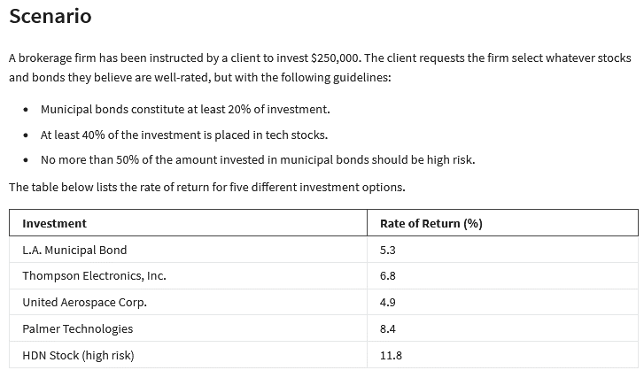
Linear Programming and Investment Allocation

 | X1 | X2 | X3 | X4 | X5
Variable : | $50,000 | $- | $- | $175,000 | $25,000

 | 5.3% | 6.8% | 4.9% | 8.4% | 11.8% | <-- Coeff
Objective (max) : | $20,300

Contraint Table : |  |  |  |  |  | LHS | Sign | RHS
Budget | 1 | 1 | 1 | 1 | 1 | 250000 | <= | 250000
20% in muni | 1 |  |  |  |  | 50000 | >= | 50000 | X1
40$ in tech |  | 1 | 1 | 1 |  | 175000 | >= | 100000 | X2
no more 50% in high risk | -50% |  |  |  | 1 | 0 | <= | 0 | X3
 |  |  |  |  |  |  |  |  | X4
summary Sentece: |  |  |  |  |  |  |  |  | X5

the maximum return who get is $20.300 when you invest in X1 = $ 50.000, X4 =$175.00, and X5=$25.000
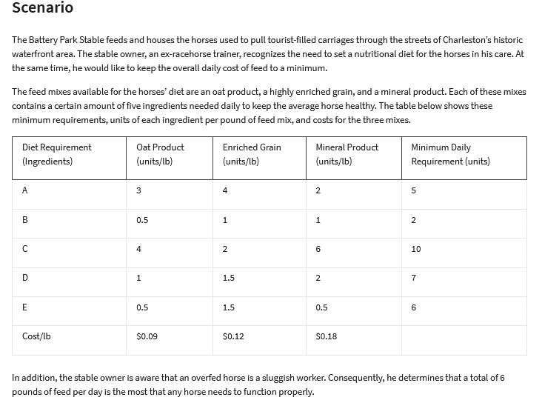
Assignment

 | Out Product | Enriched Grain | Mineral Product
Variable : | 0.25 | 4.5 | 0 | <- (lb)

 | $0.09 | $0.12 | $0.18
Objective (min): | $0.56

Contraints Table: |  |  |  | LHS | Sign | RHS
Max pound of feed/day | 1 | 1 | 1 | 4.75 | <= | 6
Ingredients A | 3 | 4 | 2 | 18.75 | >= | 5
Ingredients B | 0.5 | 1 | 1 | 4.625 | >= | 2
Ingredients C | 4 | 2 | 6 | 10 | >= | 10
Ingredients D | 1 | 1.5 | 2 | 7 | >= | 7
Ingredients E | 0.5 | 1.5 | 0.5 | 6.875 | >= | 6

LP&Transportation
Linear Programming and Transportation

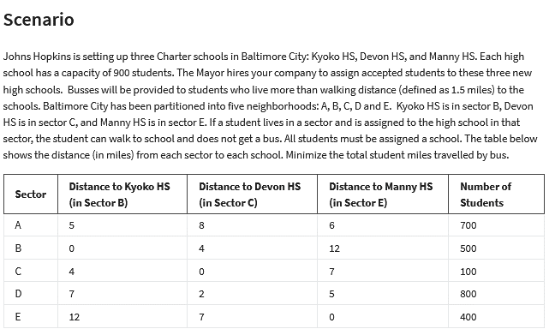
 | no. of student iwho travelled by the bus
 | AB | AC | AE | BB | BC | BE | CB | CC | CE | DB | DC | DE | EB | EC | EE
Variable : | 400 | 0 | 300 | 500 | 0 | 0 | 0 | 100 | 0 | 0 | 800 | 0 | 0 | 0 | 400

 | 5 | 8 | 6 | 0 | 4 | 12 | 4 | 0 | 7 | 7 | 2 | 5 | 12 | 7 | 0
Objective (min) :
total student miles : | 5400

Contraint table : |  |  |  |  |  |  |  |  |  |  |  |  |  |  |  | LHS | Sign | RHS
900 in school B | 1 |  |  | 1 |  |  | 1 |  |  | 1 |  |  | 1 |  |  | 900 | <= | 900
900 in school C |  | 1 |  |  | 1 |  |  | 1 |  |  | 1 |  |  | 1 |  | 900 | <= | 900
900 in school E |  |  | 1 |  |  | 1 |  |  | 1 |  |  | 1 |  |  | 1 | 700 | <= | 900
700 in sector A | 1 | 1 | 1 |  |  |  |  |  |  |  |  |  |  |  |  | 700 | = | 700
500 in sector B |  |  |  | 1 | 1 | 1 |  |  |  |  |  |  |  |  |  | 500 | = | 500
100 in sector C |  |  |  |  |  |  | 1 | 1 | 1 |  |  |  |  |  |  | 100 | = | 100
800 in sector D |  |  |  |  |  |  |  |  |  | 1 | 1 | 1 |  |  |  | 800 | = | 800
400 in sector E |  |  |  |  |  |  |  |  |  |  |  |  | 1 | 1 | 1 | 400 | = | 400

Summary Sentence :

400 students from Ato B, 300 students from A to E, etc

Assignment
 | no. of driver who hire & fire in year 1-5
 | H1 | F1 | H2 | F2 | H3 | F3 | H4 | F4 | H5 | F5
Variable : | 10 | 0 | 10 | 0 | 0 | 20 | 15 | 0 | 10 | 0

Objective (min): | 4000 | 2000 | 4000 | 2000 | 4000 | 2000 | 4000 | 2000 | 4000 | 2000


hiring cost | $4,000
firing cost | $2,000
annual salary | $10,000

hiring & firing cost | $220,000 |  |  |  | the current drivers |  |  | 50

no. of driver at year 1 | 60 | =I37+B29-C29
no. of driver at year 2 | 70 | =B39+D29-E29
no. of driver at year 3 | 50 | =B40+F29-G29
no. of driver at year 4 | 65 | =B41+H29-I29
no. of driver at year 5 | 75 | =B42+J29-K29

Total driver at year 1-5 | 320
salary for year 1-5 | $3,200,000

total cost (hire,fire, salary) | $3,420,000 | =B37+B46

Contraint table |  |  |  |  |  |  |  |  |  |  | LHS | Sign | RHS
60 drivers in year 1 | 1 | -1 |  |  |  |  |  |  |  |  | 10 | = | 10
70 drivers in year 2 | 1 | -1 | 1 | -1 |  |  |  |  |  |  | 20 | = | 20
50 drivers in year 3 | 1 | -1 | 1 | -1 | 1 | -1 |  |  |  |  | 0 | = | 0
65 drivers in year 4 | 1 | -1 | 1 | -1 | 1 | -1 | 1 | -1 |  |  | 15 | = | 15
75 drivers in year 5 | 1 | -1 | 1 | -1 | 1 | -1 | 1 | -1 | 1 | -1 | 25 | = | 25

